Figure 3b
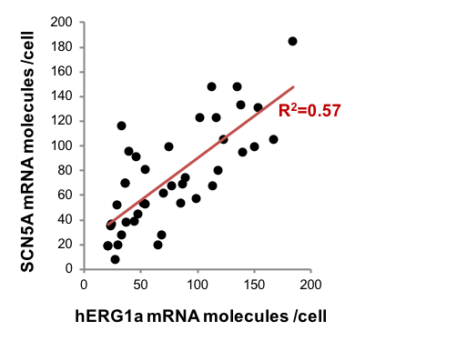
# SCN5A mRNA | # hERG1a mRNA
135 | 148
153 | 131
113 | 68
118 | 80
123 | 105
138 | 133
47 | 45
54 | 81
77 | 68
44 | 39
46 | 91
65 | 20
21 | 19
21 | 19
29 | 52
24 | 37
167 | 105
87 | 69
37 | 38
30 | 20
116 | 123
33 | 116
75 | 99
112 | 148
52 | 54
39 | 96
23 | 35
33 | 28
54 | 53
150 | 99
27 | 8
68 | 28
99 | 57
140 | 95
70 | 62
85 | 54
184 | 185
102 | 123
36 | 70
36 | 70
89 | 74

N=41 | R=0,7546 | R2=0,56943 | pvalue=0,00001

Spearman | Rs=0,74492 | p(2-tailed)=0

